Sheet1
 | RangeName | StockCode | Price Euro | Size Code | Total Free Stock | S | M | L | XL | 6 to 8 | 9 to 12
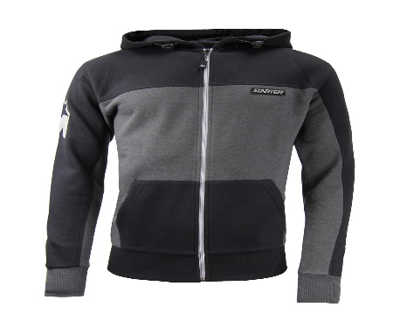 | STARTER FINESSE ZIP HOOD PRE-PACK | CPE00039-BLACK | 12.585714286 | UK | 1765 | 150 | 600 | 750 | 300
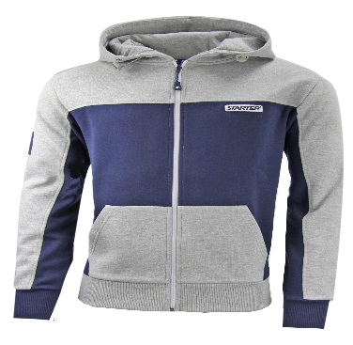 | STARTER FINESSE ZIP HOOD | CPE00039-GREY | 12.585714286 | UK | 1884 | 160 | 640 | 800 | 320
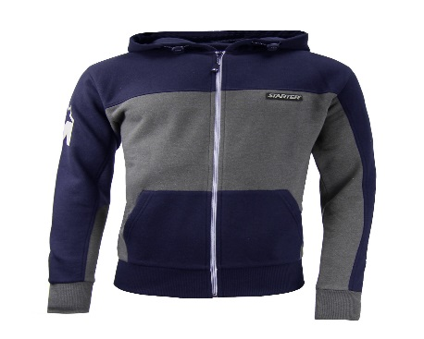 | STARTER FINESSE ZIP HOOD | CPE00039-NAVY | 12.585714286 | UK | 1932 | 164 | 656 | 820 | 328
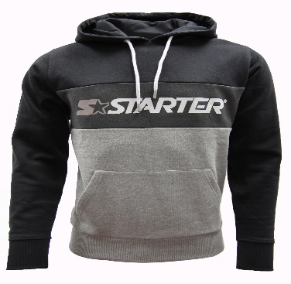 | STARTER MOTIVE HOOD PRE-PACK 24 PCS | CPE00016-BLACK | 11.442857143 | UK | 492 | 46 | 184 | 230 | 68
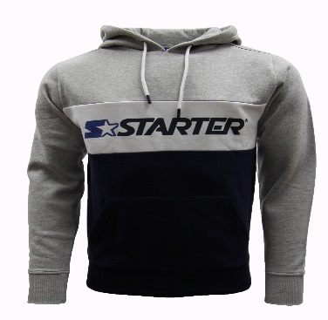 | STARTER MOTIVE HOOD PRE-PACK 24 PCS | CPE00016-GREY | 11.442857143 | UK | 492 | 44 | 176 | 220 | 88
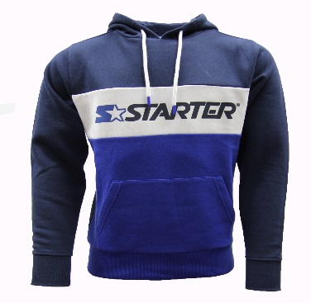 | STARTER MOTIVE HOOD PRE-PACK 24 PCS | CPE00016-NAVY | 11.442857143 | UK | 876 | 76 | 300 | 385 | 151
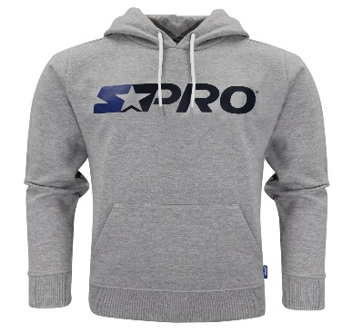 | STARTER STRIVE HOOD | CPE00040-ATHGREYMARL | 11.442857143 | UK | 1020 | 88 | 351 | 441 | 176
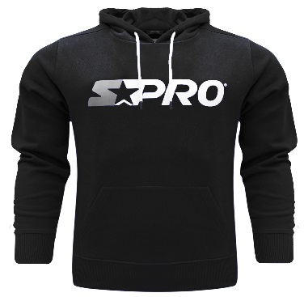 | STARTER STRIVE HOOD | CPE00040-BLACK | 11.442857143 | UK | 996 | 88 | 344 | 428 | 172
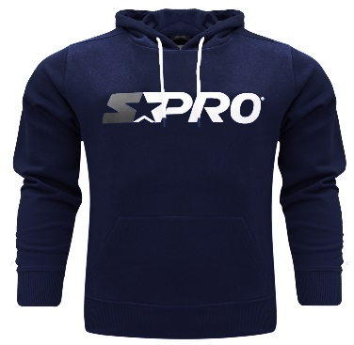 | STARTER STRIVE HOOD | CPE00040-NAVY | 11.442857143 | UK | 972 | 85 | 333 | 423 | 167
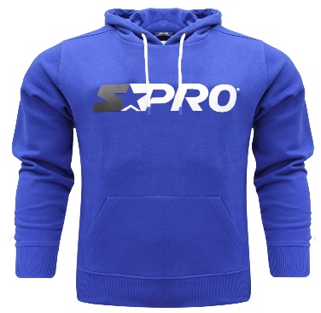 | STARTER STRIVE HOOD | CPE00040-ROYALBLUE | 11.442857143 | UK | 1020 | 90 | 351 | 439 | 176
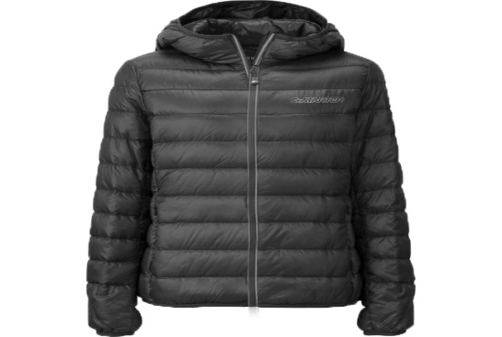 | STARTER (12) BLADE PADDED JACKET | CPE00056-ANTHRACITE | 19.928571429 | UK | 270 | 23 | 102 | 130 | 51
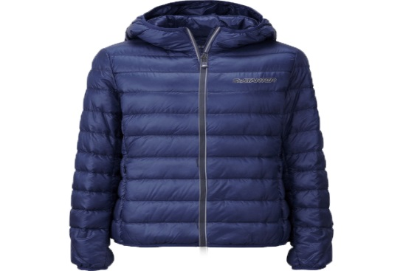 | STARTER (12) BLADE PADDED JACKET | CPE00056-PEACOAT | 19.928571429 | UK | 258 | 22 | 98 | 125 | 49
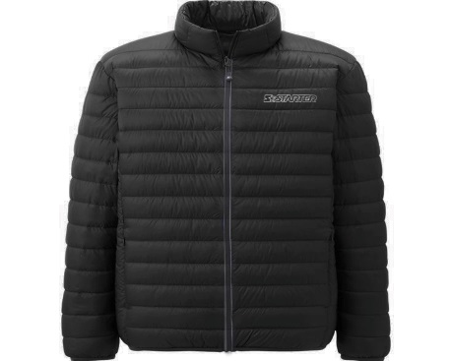 | STARTER (12) EDGE PADDED JACKET | CPE00088-ANTHRACITE | 19.3 | UK | 816 | 71 | 284 | 355 | 142
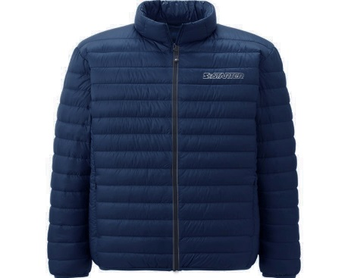 | STARTER (12) EDGE PADDED JACKET | CPE00088-PEACOAT | 19.3 | UK | 816 | 71 | 284 | 355 | 142
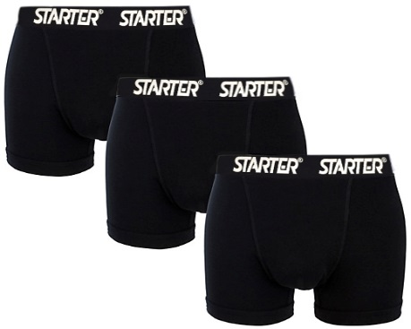 | STARTER 3-PACK GROTTS BOXER SHORT PRE-PA | CPE00057-BLACK | 7.5 | UK | 2628 | 222 | 888 | 1110 | 444
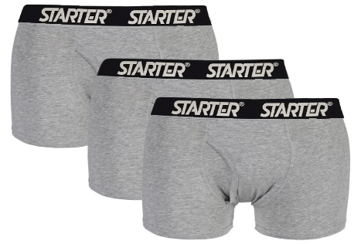 | STARTER 3-PACK GROTTS BOXER SHORT PRE-PA | CPE00057-GREY | 7.5 | UK | 2844 | 240 | 960 | 1200 | 480
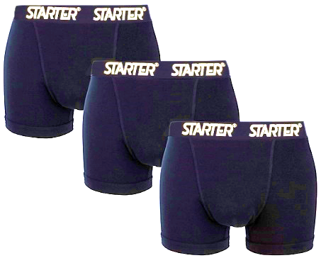 | STARTER 3-PACK GROTTS BOXER SHORT PRE-PA | CPE00057-NAVY | 7.5 | UK | 2736 | 231 | 924 | 1155 | 462
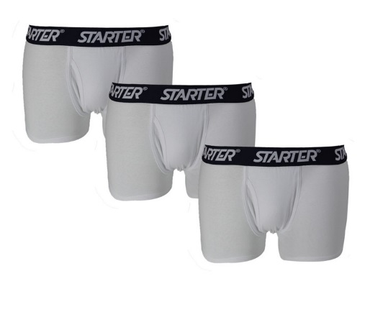 | STARTER 3-PACK GROTTS BOXER SHORTS PRE-P | CPE00057-WHITE | 7.5 | UK | 3552 | 299 | 1196 | 1495 | 598
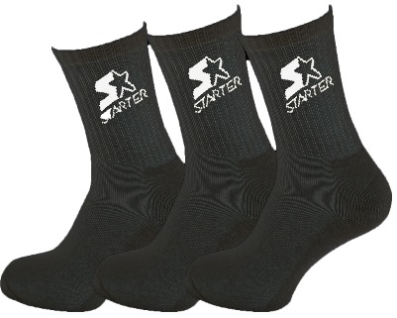 | STARTER 3-PACK SPORTS SOCKS | CPE10001-BLACK | 3.99 | UK | 3830 |  |  |  |  | 914 | 2952
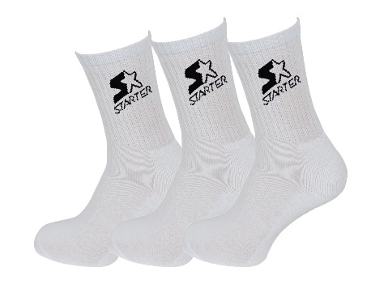 | STARTER 3-PACK SPORTS SOCKS | CPE10001-WHITE | 3.99 | UK | 5030 |  |  |  |  | 1509 | 3557
 |  |  |  | Totals | 34229 | 5692 | 22979 | 28760 | 11376 | 2423 | 6509

